Foglio1
Non structural dead load | Unit |  | Deck length | Unit | Non structural dead load | Unit
71.5 | kN/m |  | 65 | m | 473915 | kg
7291 | kg/m
 |  |  | Deck discretization: Point numbers |  | Non structural dead load on each point | Unit
 |  |  | 37 |  | 12809 | kg

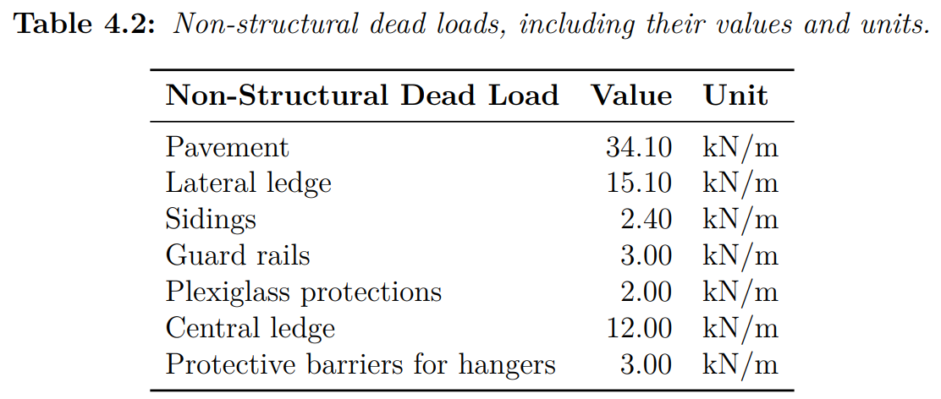

 |  | tot: 71,5 kN/m

